AML_B&T_Cash
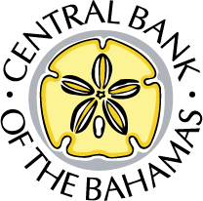

Private and Confidential
Central Bank of The Bahamas - AML Data Return Cash Acceptance Form

 | SFI Name:

 | SFI Code:

 | Reporting Date:

Does your institution have a Cash Custody/Handling Policy & Procedure?

If "Yes" is selected, please include the Cash Custody/Handling Policy & Procedure along with your submission via the ORIMS Portal.

Please provide a breakdown:
Date of Deposit (dd/mm): | Cash Deposit Location: | Number of Cash Deposits: | Value of Cash Deposits ($000s): | Reason for Cash Deposit:

Total |  | 0 | 0

